Sheet1
Figure 2.5 Onshore wind weighted-average total installed costs in 15 countries, 1984–2020

 | Weighted average total installed costs (2020 USD/kW)
 | Onshore wind

 | Country | 1984 | 1985 | 1986 | 1987 | 1988 | 1989 | 1990 | 1991 | 1992 | 1993 | 1994 | 1995 | 1996 | 1997 | 1998 | 1999 | 2000 | 2001 | 2002 | 2003 | 2004 | 2005 | 2006 | 2007 | 2008 | 2009 | 2010 | 2011 | 2012 | 2013 | 2014 | 2015 | 2016 | 2017 | 2018
 | Denmark | 3908 | 3892 | 3756 | 3551 | 3192 | 3073 | 3320 | 3286 | 3098 | 3013 |  | 2603 | 2517 | 2449 | 2416 | 2279 | 2160 | 2057 | 1766 | 1715 | 1553 | 1715 | 1958 | 2000 | 2525 | 1923 | 2404 | 2586 | 2084 | 2268 | 2390 | 1923 | 1923 | 1772 | 1925
 | United States | 5010 | 4949 | 4399 | 4289 | 3170 | 2906 | 3288 | 3167 |  |  |  |  |  |  | 2200 | 2090 | 1867 | 1849 | 1829 | 1577 | 1922 | 1663 | 1712 | 1999 | 2308 | 2417 | 2422 | 2398 | 2195 | 2031 | 1927 | 1843 | 1884 | 1706 | 1663
 | Germany | 3908 |  |  |  |  |  | 3486 | 3451 | 3253 | 3164 | 2930 | 2475 | 2370 | 2348 | 2447 | 2328 | 2302 | 2272 | 2297 | 2274 | 2282 | 2257 | 2214 | 2207 | 2382 | 2337 | 2298 | 2298 | 2088 | 2063 | 2035 | 1997 | 1959 | 1959 | 1927
 | Sweden | 3908 |  |  |  |  |  | 3486 | 3451 | 3253 | 3164 | 2930 | 2733 | 2643 | 2572 | 2537 | 2393 | 2346 | 2160 | 2145 | 1801 | 2171 | 2145 | 2145 | 2167 | 2365 | 2485 | 2357 | 2168 | 2358 | 2033 | 2171 | 1942 | 1786 | 1618 | 1292
 | Italy |  |  |  |  |  | 3226 |  | 3451 | 3253 | 3164 | 2930 | 2733 | 2643 | 2572 | 2537 | 2393 | 2268 | 2160 | 2079 | 2189 | 2036 | 2067 | 2064 | 2192 | 2357 | 2792 | 2585 | 3172 | 2967 | 2047 | 2007 | 2148 | 1810 | 2590 | 1779
 | United Kingdom |  |  |  |  |  | 3226 | 3486 | 3451 | 3535 | 3033 | 2930 | 2733 | 2643 | 2572 | 2537 | 2393 | 1960 | 2030 | 1834 | 2189 | 2718 | 2197 | 2178 | 2161 | 2431 | 1555 | 2249 | 2388 | 2335 | 2346 | 2292 | 2258 | 2117 | 2138 | 1868
 | India |  |  |  |  |  |  | 3629 | 3629 | 3299 | 3299 | 3299 | 3079 | 2969 | 2859 | 2749 | 2639 | 2251 | 1954 | 1807 | 2075 | 1662 | 1620 | 1760 | 1635 | 1508 | 1273 | 1387 | 1229 | 1468 | 1509 | 1436 | 1289 | 1186 | 1173 | 1174
 | Spain |  |  |  |  |  |  | 3486 | 3451 | 3253 | 3164 | 2930 | 2733 | 2643 | 2572 | 2537 | 2393 | 2268 | 2143 | 1855 | 1801 | 1912 | 1888 | 1946 | 2192 | 2146 | 2402 | 2479 | 2412 | 2116 | 2106 | 1774 | 1677 | 1652 | 1814 | 2367
 | Canada |  |  |  |  |  |  | 3288 |  | 2804 |  | 1455 |  | 2096 |  |  | 2090 | 1980 | 1719 | 2019 | 1761 | 1785 | 1702 | 2016 | 2210 | 2236 | 2240 | 2726 | 2514 | 2739 | 2644 | 2472 | 2554 | 2392 | 2100 | 1879
 | France |  |  |  |  |  |  |  | 3451 |  | 3164 |  |  | 2643 | 2572 | 2537 | 2393 | 1813 | 2160 | 1855 | 1796 | 1980 | 1862 | 1980 | 1806 | 2718 | 2400 | 2507 | 2247 | 2039 | 1922 | 1816 | 1811 | 1792 | 2042 | 1972
 | China |  |  |  |  |  |  |  |  |  |  |  |  | 2749 | 2749 | 2639 | 2420 | 2310 | 2200 | 2145 | 1746 | 1825 | 1698 | 1631 | 1535 | 1580 | 1608 | 1500 | 1459 | 1427 | 1356 | 1377 | 1337 | 1332 | 1262 | 1308
 | Turkey |  |  |  |  |  |  |  |  |  |  |  |  |  |  | 1745 |  | 1775 | 1978 | 2376 | 3023 | 2365 | 2346 | 1890 | 2290 | 2234 | 1506 | 2446 | 2264 | 1792 | 1976 | 1909 | 1966 | 1982 | 1789 | 1897
 | Brazil |  |  |  |  |  |  |  |  |  |  |  |  |  |  |  |  | 2254 | 3356 | 2796 | 3321 | 1985 | 3189 | 2509 | 2569 | 2593 | 2788 | 2639 | 2614 | 2654 | 2647 | 2249 | 1951 | 2045 | 1756 | 1782
 | Japan |  |  |  |  |  |  |  |  |  |  |  |  |  |  |  |  | 2367 | 2870 | 1869 | 2198 | 1990 | 2172 | 1983 | 1980 | 1900 | 2190 | 2778 | 2361 | 3509 | 3126 | 2954 | 2351 | 2778 | 2500 | 2642
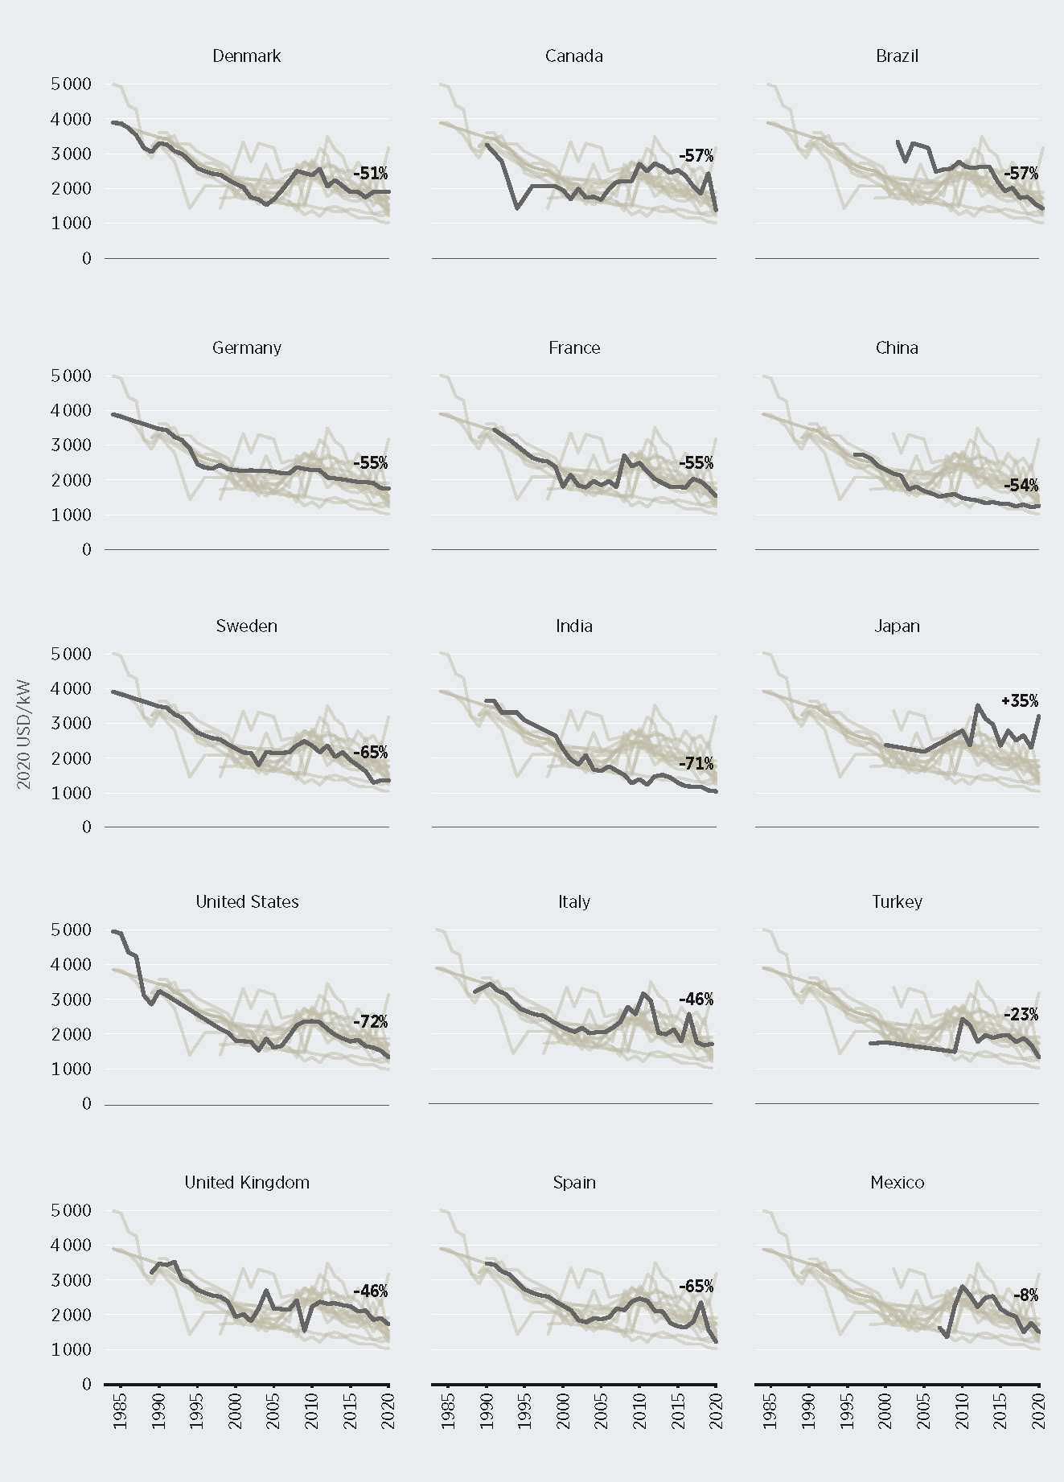
 | Mexico |  |  |  |  |  |  |  |  |  |  |  |  |  |  |  |  | 1976 | 1840 | 2465 | 1989 | 2098 | 1987 | 1783 | 1664 | 1386 | 2284 | 2839 | 2592 | 2248 | 2519 | 2563 | 2195 | 2056 | 1973 | 1529

